Overview
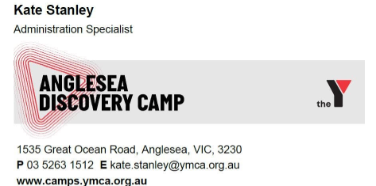
2026 Yr 7/8 Father Son Camp
WHEN | 24th / 25th October
WHERE | Anglesea Discovery Camp |  |  | Anna - Bookings | Shaun - Camp Organisation
LEADERS | Andrew Hely | Peter Aile | Tom Nagy | piar@cyc.org.au | piarcamps@cyc.org.au
 | 0406 340 916 ​ | paile.tdang@gmail.com | tom@propertyvaluationvic.com.au
 | andrew.hely@gmail.com | 0401 743 542 | 0407 835 388

WHATSAPP GROUP | SKCFA 2026 Father Son 2-4 Attendees

PROGRAM URL |  |  | TEMPLATE YR 2 | https://kanga-roux-dev.github.io/skcfa-father-son-camp/

CAMP CONTACT | Kate Stanley
 | Kate.Stanley@ymca.org.au
 | PH 03 5263 1512

Alcohol Policy Links | https://chatgpt.com/s/t_69af896c93b88191a83e9680dda74a64

TRYBOOKING | 2026 Father Son Camp 7/8 | www.trybooking.com/events/landing/1632709 |  | BACK END | https://portal.trybooking.com/au/event/1531963

Portal Link | https://ymcavic.venue360.me/groupSelfService&org=6&user=Andrew.hely@gmail.com&booking=22948/homepage#Home
 | SKCFA2026

CAMP CAPACITY
MIN RQD TICKETS | 60
MAX CAPACITY | 150

ROOMS FOR ASSIGNMENT

OPEN ITEMS
DVD / Movie Download
Dad Cheese Night
Anaphylaxis Comms to obtain details if applicable

NOTES FOR UPDATE IN THE CYC PORTAL
Attendees List > ADD TO PORTAL | STATUS | STATUS
Full Attendee List | Peter | DONE
Late Additions each week

Room Assignments > ADD TO PORTAL | WHO | STATUS
As per Groups in worksheet | Peter | DONE

Special Dietaries > ADD TO PORTAL | STATUS | STATUS
Captured by Trybooking - Column E - Dietaries | Peter | DONE

BOOKING FOLLOW UP

Missing Working with Childrens Details | STATUS | STATUS
Francis Gu - WWC Missing - Send Email | Andrew | DONE
Late Additions each week

CYC PORTALS UPDATE
Room Assignments > ADD TO PORTAL | STATUS | STATUS
As per Groups in worksheet | Anton | DONE

Special Dietaries > ADD TO PORTAL | STATUS | STATUS
Captured by Trybooking - Column E - Dietaries | Anton | DONE

FINAL BROCHURE / UPDATE EMAIL
Alcohol Update to group
Cheese board update - 1 item per Dad to stop overcatering
Cheese Boards No Nuts
Late Arrivals, please email us when you will arrive
Guitars
Group leaders briefing / group changes
Final Program
First aid Kits in cars
Late Attendances / Arrivals / Non Attendances for Role call
Weather
Lost Property | Room Check

DADS CHEESE BOARD | Catering Numbers (Circa 70 dads)
GR1 | Cheeses
GR2 | Meats / Cured Hams other
GR3 | Meats / Salamis
GR4 | Bread / Crackers
GR5 | Pickles / Vegies
GR6 | Dried Fruit / NO Nuts
GR7 | Grapes / Chocolates etc
GR8 | Cheeses
GR9 | BBQ Grill

GROUP CAPTAINS - ROLES
Welcoming Dads and Sons in their group
Icebreaking in during morning activities
Keeping Group Running to time for all activities
Group WhatsApp for sharing photos
Ensuring Camp Alcohol Policy is adhered to by each group
Ensuring Lights Out Policy is adhered to by each group
Ensuring Boys remain supervised at all times
Letting Camp Leaders know of any saftey issues / concerns

LATE ARRIVALS NOTICE

RECOMMENDATIONS
Adopt Camp Program Template
Keep using PAIR - They were great
No Alchohol Policy Worked Well
Dads must put kids to be after movie
Communal Dad Cheese Board
Tyrbooking - Photo Consent
Camp Arrival at 9am for Start @ 10am
Fire Side Reflection using Yr 8 Time and Space Session Scaffolding

FIRST
Bee sting in pool
Trip in pool area

ACTION LIST
Kids Film Saturday Night
Marshmellow / Reflection

01 Summary Itinerary
01 Summary Itinerary

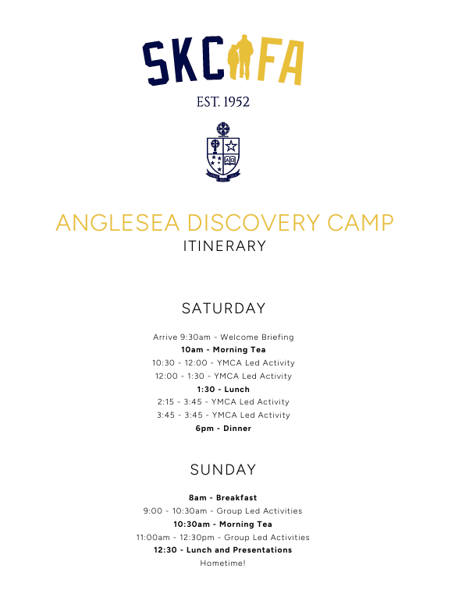
ANGLESEA DISCOVERY CAMP — ITINERARY
 | Quite a nice template from last year
SATURDAY
9:15am — Arrive and Move into accomodation
9:50am — Welcome Briefing
10:00am — Morning Tea
10:30am–12:00pm — YMCA Led Activity
12:00pm–1:30pm — YMCA Led Activity
Lunch
2:15pm–3:45pm — YMCA Led Activity
3:45pm–5:15pm — YMCA Led Activity
6:00pm — Dinner
7:30pm — Film for Boys
7:30pm — Dad's Cheeseboard

SUNDAY
8:00am — Breakfast
9:00am–10:30am — Group Led Activities
Morning Tea
11:00am–12:30pm — Group Led Activities
12:30pm — Lunch and Presentations
Hometime!

02b Scorecard & Points
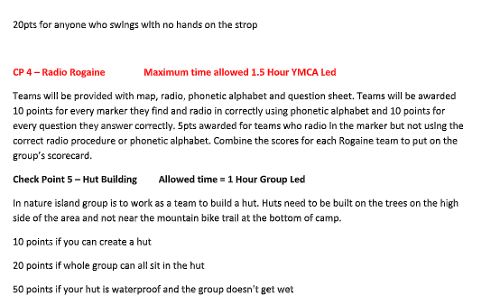
02b Scorecard & Points

03b Group Leaders
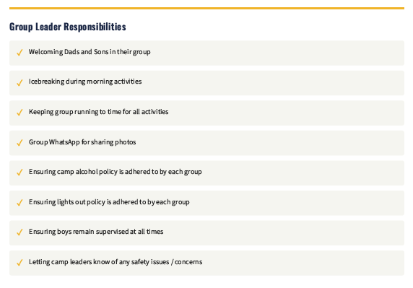
03b Group Leaders

Group 1 | Daniel & Alexander Burn
Group 2 | Alec & Lucas Graham
Group 3 | Daniel & Spencer Howlett
Group 4 | Dong & Edwin Wang

04a Site Map
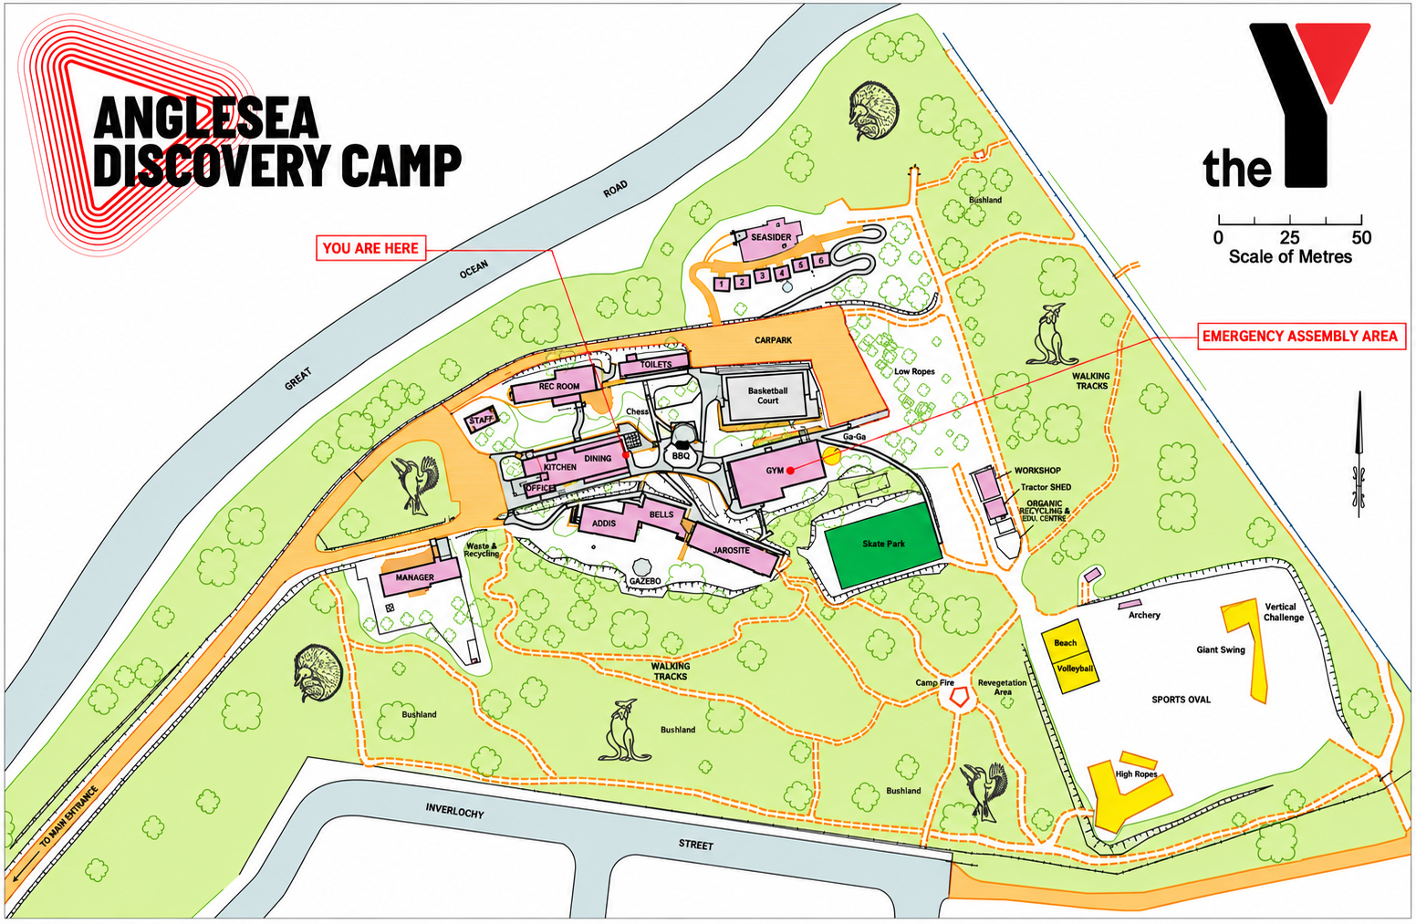
2026 Yr 7/8 Father Son Camp - YMCA Map

04b Accomodation - Map
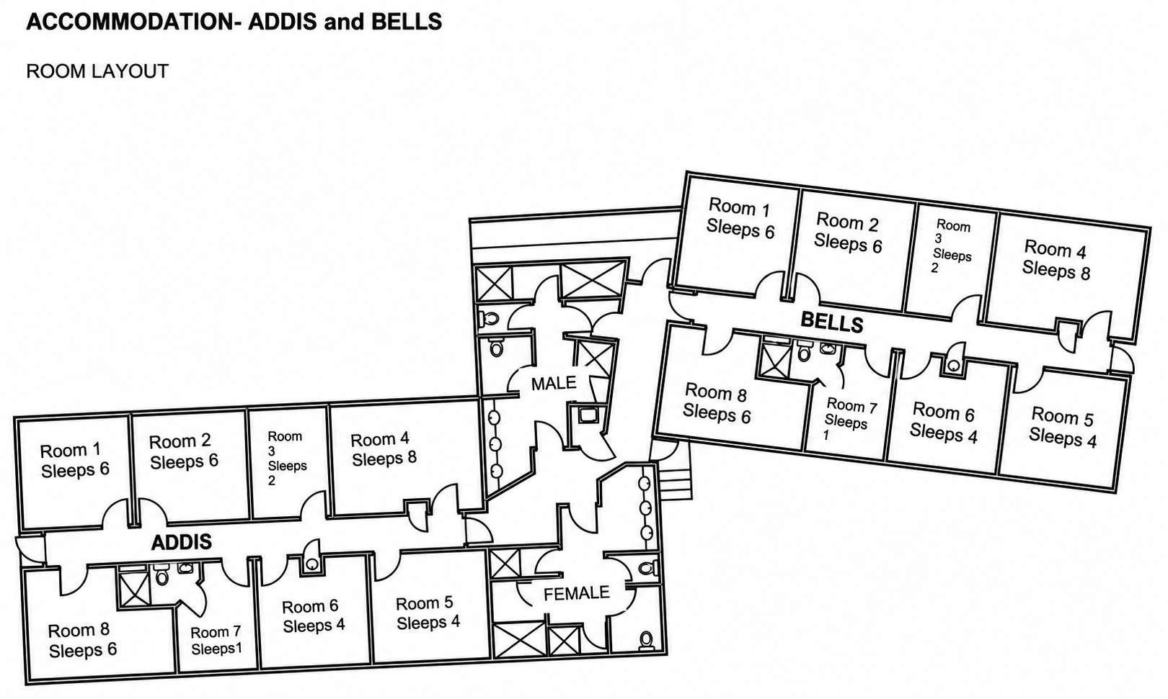
04b Maps - Accomodation

05 Menu
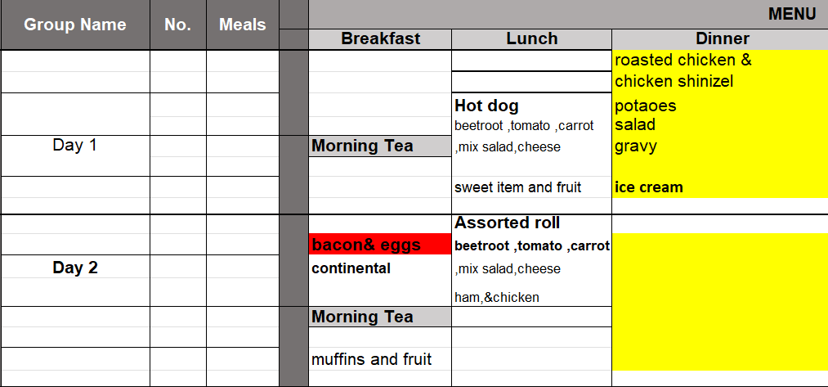
05 Menu

07 Packing List
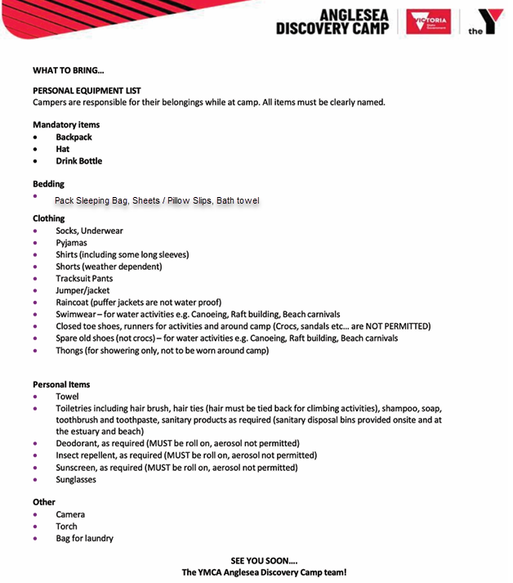
07 Packing List

08 SKCFA Stay Connected
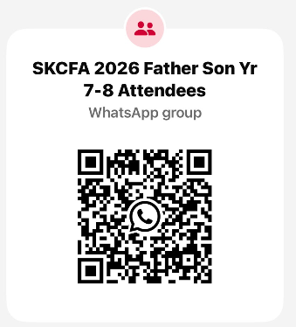
08 SKCFA Stay Connected

09 SKCFA Thank you for Attendin
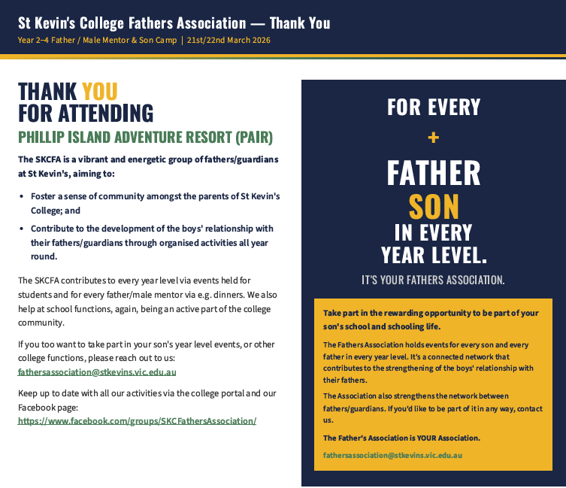
09 SKCFA Thank you for Attending

